Sheet1
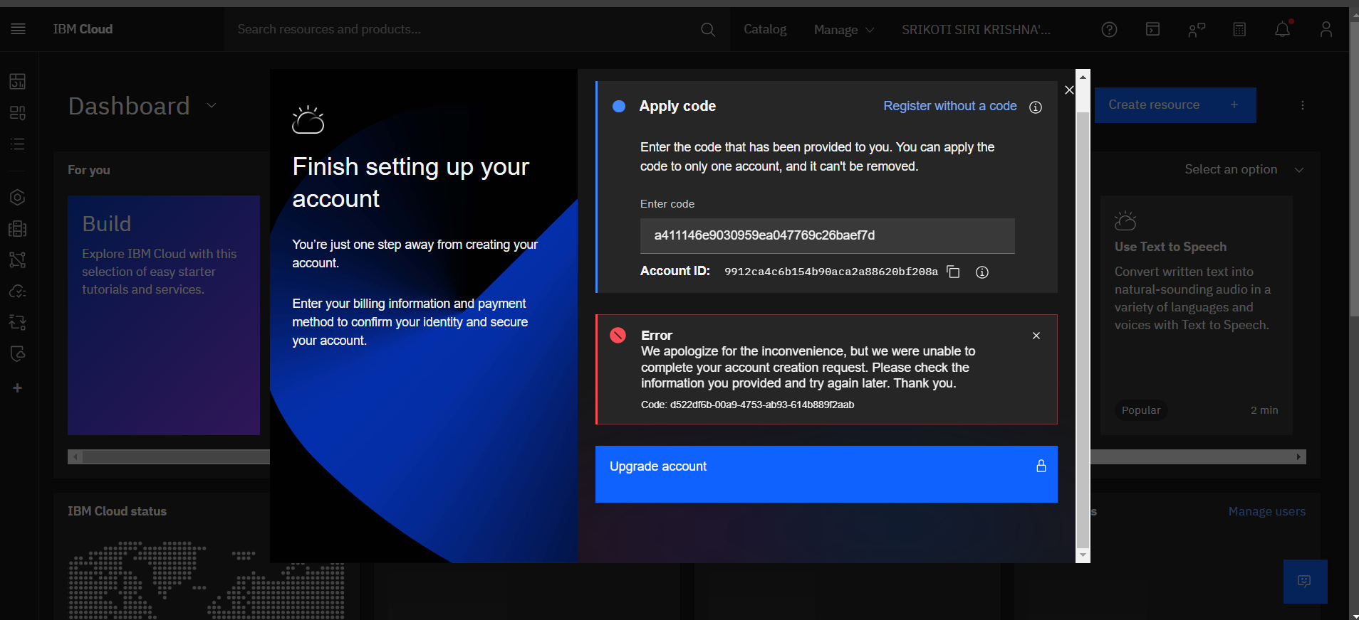
Prompt used to do sentiment analysis : You are a data analyst tasked to do sentiment analysis for the user reviews of ecoarmor. Reply with positive negative or neutral according to the sentiment. AI tool used: ChatGPT
Reviewer | Review | Sentiment
Rosy I. | I love how sturdy this case is while being environmentally friendly! It feels great to contribute to sustainability. | Positive
Sahil K. | The idea is great, but the case started wearing out too quickly for me to recommend it. | Negative
Pavan.M | The packaging was nice, and the case fits well. Nothing extraordinary, though. | Neutral
New Review | This a budget friendly product and enivronment friendly product. | Positive
 | Reason for not using IBM cloud because of following issue | The promo code error is not resolving with my new domain id as well as personal email id

